Sheet1
 | Document No. |  | Issue No. | Issue Date |  |  |  | Review and Replace Date |  | Authorised By
 | GFF361MC |  | 1 | 27.06.2022 |  |  |  | New Issue |  | Magda Shah
 | Document Title |  | 24 Mediterranean Selection 900g
Document amendments reason for change | New launch |  |  | Page 1 of 1 |  |  | Previous Issue Date |  | New Issue | Uncontrolled copy unless signed original

CMEDPC-B24X8T |  | COSTCO |  |  | 24 Mediterranean Selection 900g | CHILLED
STEP 1 |  |  |  |  |  | STEP 2
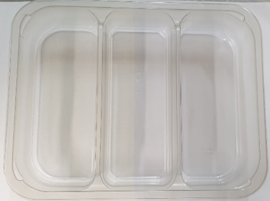 |  |  |  |  |  | 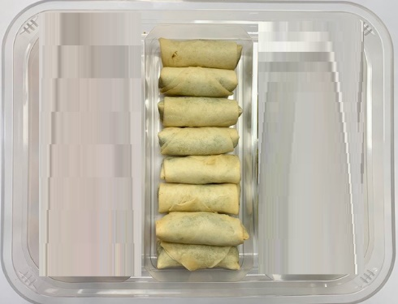

Packaging: Tray 3 cavity HW308/60 Transparent (PKLEE001-08) |  |  |  |  |  | 8 x Spinach & Feta Rolls (GFF422R) 30g | 240g
Film: K Peel RPSM 25µm (340mmX1000lmm) (PKKMP001-05)
STEP 3 |  |  |  |  |  | STEP 4
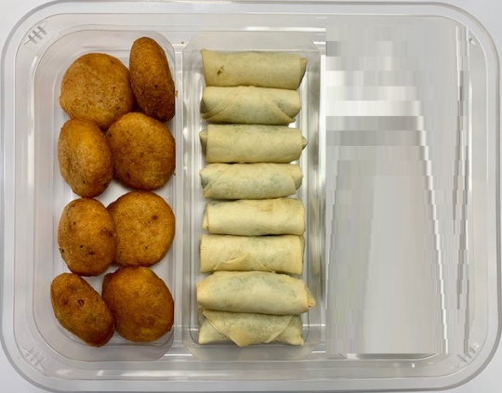 |  |  |  |  |  | 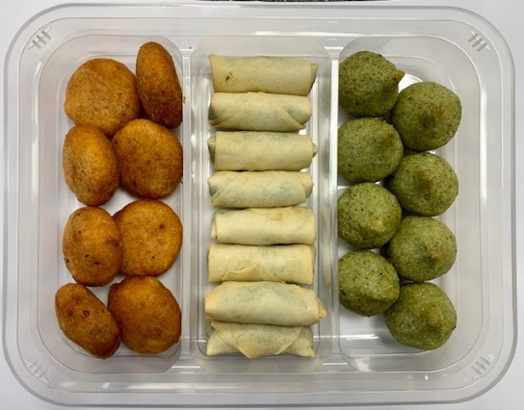

8 x Lamb Potato Chaps 42.5g (GFF423R) | 340g |  |  |  |  |  | 8 x Broad Bean Bites 40g (GFF424R) | 320g |  |  |  | Total Weight 900g
ALLERGY ALERT: Milk, Wheat (Gluten), Soya

